RAPOR
CETAK RAPOR :
1. Pilih Kelas
2. Pilih Nama
INPUT NILAI :
LAPORAN HASIL BELAJAR
TENGAH SEMESTER
AGAMA
IPS
PPKn
B INGG
 | Nama Sekolah | : SMP NEGERI 48 JAKARTA |  |  |  |  |  |  | Kelas |  |  | : VIII.2
 | Alamat Sekolah | : Jl. Raya Kebayoran Lama 192 |  |  |  |  |  |  | Semester |  |  | : Genap
 | Nama Peserta Didik | : AHMAD REIFAN BOY |  |  |  |  |  |  | Th. Pelajaran |  |  | : 2021/2022
B INDO
SENI
 | NIS / NISN | : 21361 / 0076501681
MATE
PENJAS
IPA
PRAKARYA
No. | Mata Pelajaran | KBM | PENGETAHUAN |  |  |  |  |  | KETERAMPILAN
 |  |  | Penilaian Harian |  |  | PTS | NILAI | Predikat | 1 | 2 | 3 | NILAI | Predikat
 |  |  | 1 | 2 | 3
ABSENSI KEHADIRAN
 | Kelompok A :
1 | Pendidikan Agama dan Budi Pekerti | 75 | 83.5 | 0 | 0 | 75 | 81 | C | 85 | 0 | 0 | 85 | B
2 | Pendidikan Pancasila dan Kewarganegaraan | 75 | 78 | 84 | 83 | 78 | 80 | C | 85 | 79 | 83 | 82 | C
3 | Bahasa Indonesia | 75 | 0 | 0 | 0 | 0 | 0 |  | 0 | 0 | 0 | 0
4 | Matematika | 75 | - | 0 | 0 | 48 | 16 | D | 0 | 0 | 0 | 0
5 | Ilmu Pengetahuan Alam | 75 | 25 | x | x | 24 | 14 | D | x | 0 | 0 | 0
6 | Ilmu Pengetahuan Sosial | 75 | 75 | 0 | 0 | 60 | 70 | D | 80 | 0 | 0 | 80 | C
7 | Bahasa Inggris | 75 | x | x | 0 | x | 0 |  | x | 0 | 0 | 0
 | Kelompok B :
1 | Seni Budaya | 75 | 75 | 0 | 0 | 33 | 61 | D | 75 | 0 | 0 | 75 | C
2 | Pendidikan Jasmani, Olah Raga, dan Kesehatan | 75 | 75 | 0 | 0 | 0 | 50 | D | 50 | 0 | 0 | 50 | D
3 | Prakarya | 75 | 76.838235294 | 0 | 0 | 77.34375 | 77 | C | 77 | 0 | 0 | 77 | C
 | Penilaian Sikap
1 | Spiritual |  | B | Baik
2 | Sosial |  | B | Baik
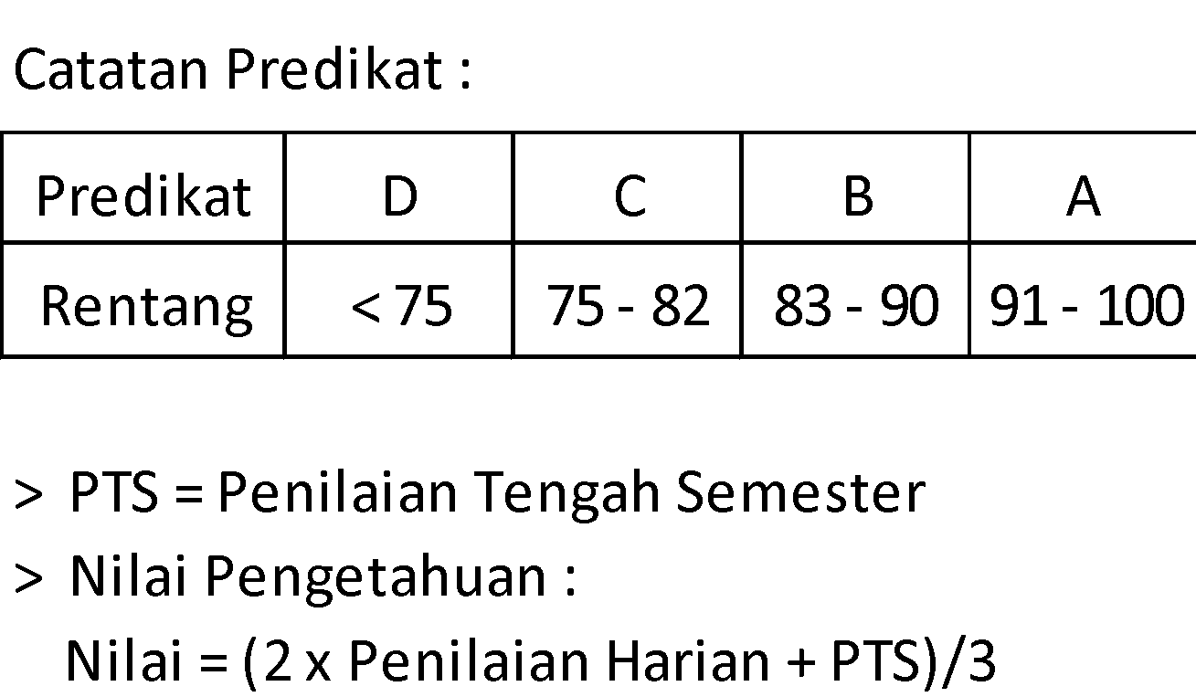
 | Kehadiran :
1 | Sakit |  | - | hari
2 | Izin |  | - | hari
3 | Tanpa Keterangan |  | - | hari

 |  |  |  |  |  |  |  | Jakarta, April 2021
 | Orang Tua/Wali : |  |  |  |  |  |  | Wali Kelas

 |  |  |  |  |  |  |  | ACHMAD MUFTI, S.Kom.
 |  |  |  |  |  |  |  | NIP. --

 |  |  |  |  |  |  |  | SMP NEGERI 48 JAKARTA

